SuppTableS6
Supplementary Table S6: Calibration curve for the creation of the wanted SPT density solution stocks.

Tube # | Total added SPT (gr) | Total added H2O (mL) | Ratio SPT/H2O | Measured empty tube weight | Measured weight tube + 1 mL H2O | Measured solution weight / Density | Ratio of SPT to H2O via function
 |  |  | (y-axis on plot) |  |  | (x-axis on plot)
1 | 0.5 | 1 | 0.5 | 1.099 | 2.454 | 1.355 | 0.487
2 | 0.8 | 1 | 0.8 | 1.09 | 2.627 | 1.537 | 0.793
3 | 1 | 1 | 1 | 1.095 | 2.738 | 1.643 | 0.979
4 | 1.25 | 1 | 1.25 | 1.1 | 2.887 | 1.787 | 1.247
5 | 1.5 | 1 | 1.5 | 1.102 | 3.003 | 1.901 | 1.476
6 | 1.75 | 1 | 1.75 | 1.099 | 3.12 | 2.021 | 1.737
7 | 2 | 1 | 2 | 1.094 | 3.209 | 2.115 | 1.959
8 | 2.25 | 1 | 2.25 | 1.098 | 3.327 | 2.229 | 2.251
9 | 2.5 | 1 | 2.5 | 1.097 | 3.402 | 2.305 | 2.461
10 | 2.75 | 1 | 2.75 | 1.105 | 3.5 | 2.395 | 2.728
11 | 3 | 1 | 3 | 1.096 | 3.568 | 2.472 | 2.973
12 | 3.25 | 1 | 3.25 | 1.101 | 3.648 | 2.547 | 3.227
13 | 3.5 | 1 | 3.5 | 1.093 | 3.709 | 2.616 | 3.475
14 | 3.75 | 1 | 3.75 | 1.103 | 3.785 | 2.682 | 3.726
15 | 4 | 1 | 4 | 1.104 | 3.845 | 2.741 | 3.962
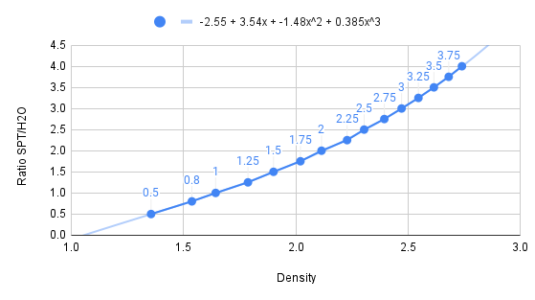
Table to Create Stocks
Wanted Density | Ratio from formula | Wanted initial H2O volume | SPT to add
2.15 | 2.046 | 10 | 20.46
2.2 | 2.174 | 10 | 21.74
2.25 | 2.308 | 10 | 23.08
2.3 | 2.447 | 10 | 24.47
2.35 | 2.592 | 10 | 25.92
2.4 | 2.743 | 10 | 27.43
2.45 | 2.901 | 10 | 29.01

