TRR-ACG2-1 (AUC)
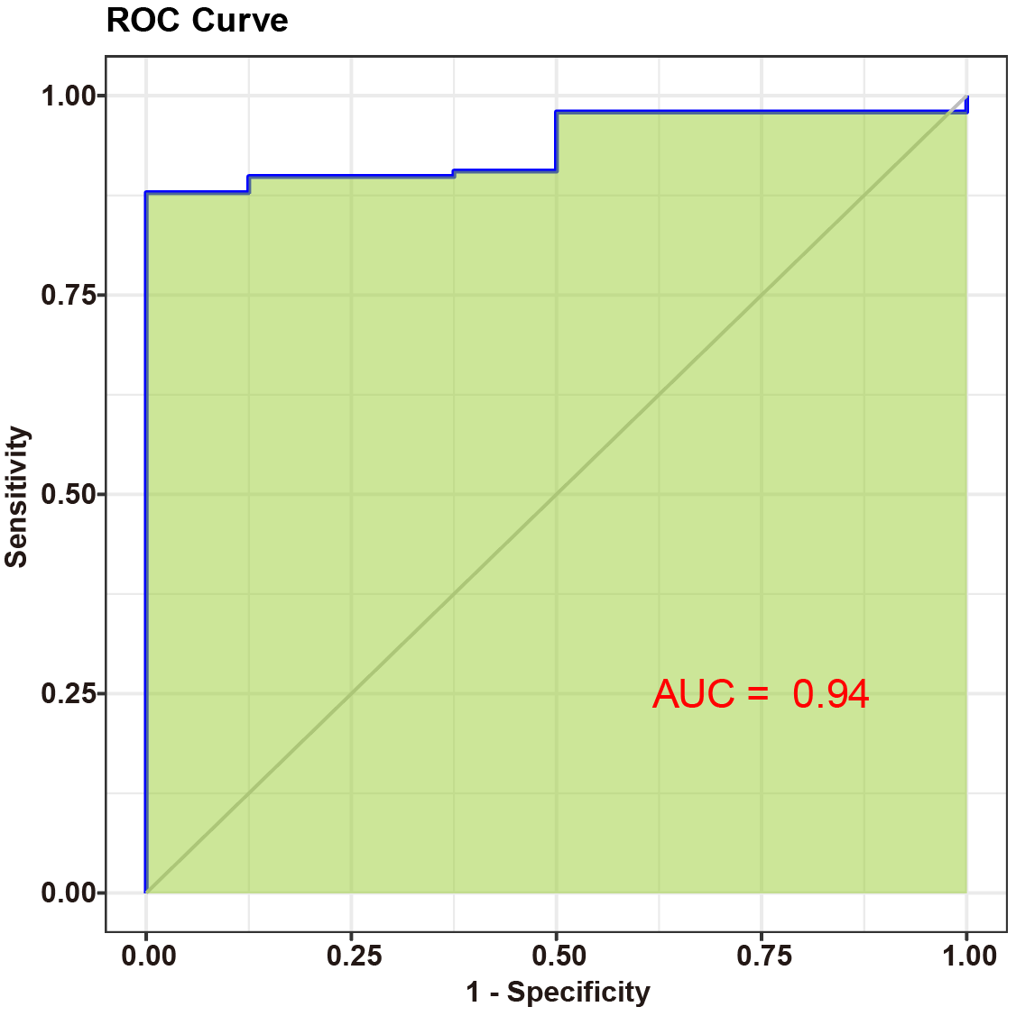

TRR-ACG2-4 (AUC)
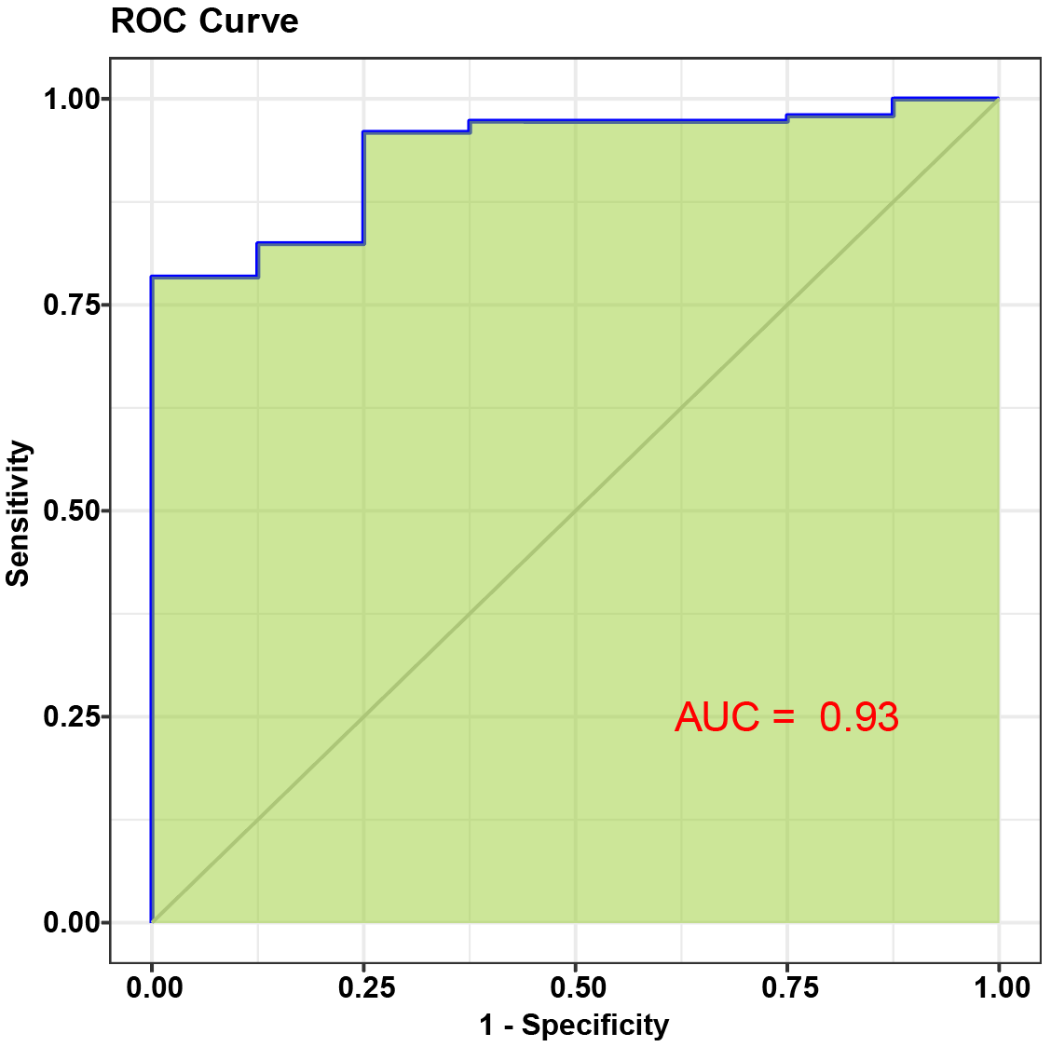

RN7SL4P (AUC)
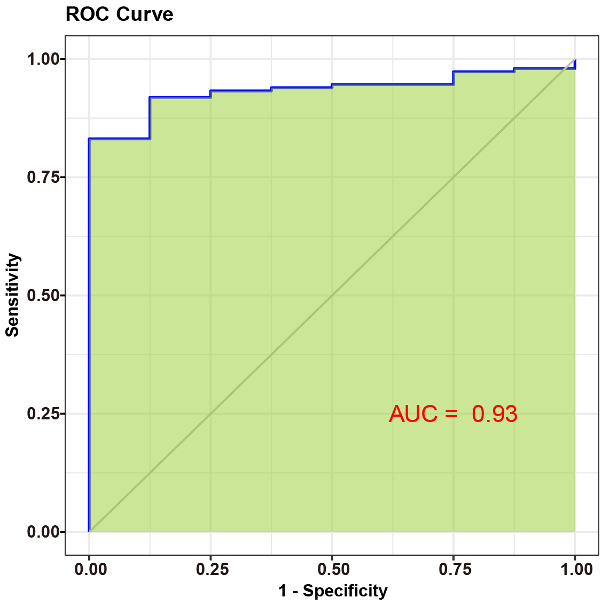

TRS-GCT3-1 (AUC)
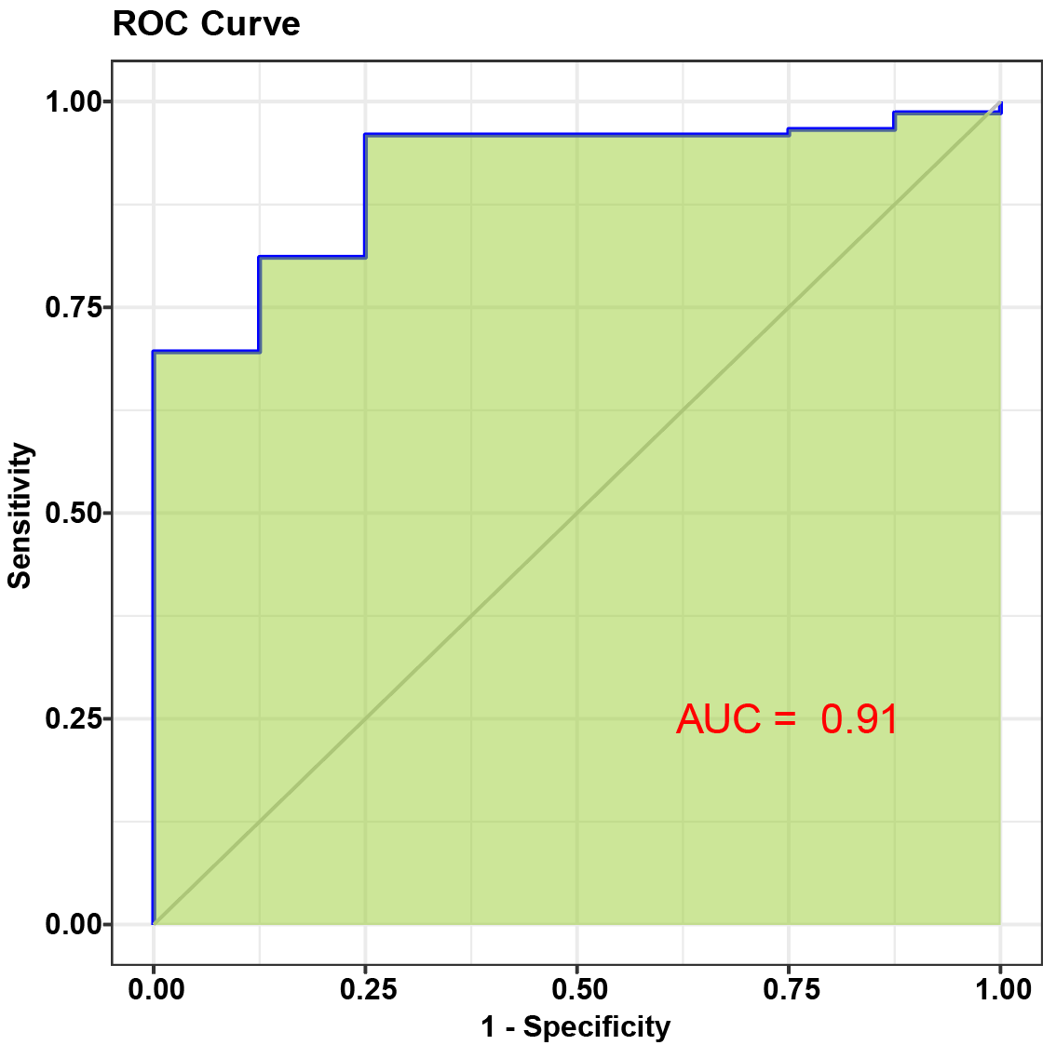

TRE-CTC1-3 (AUC)
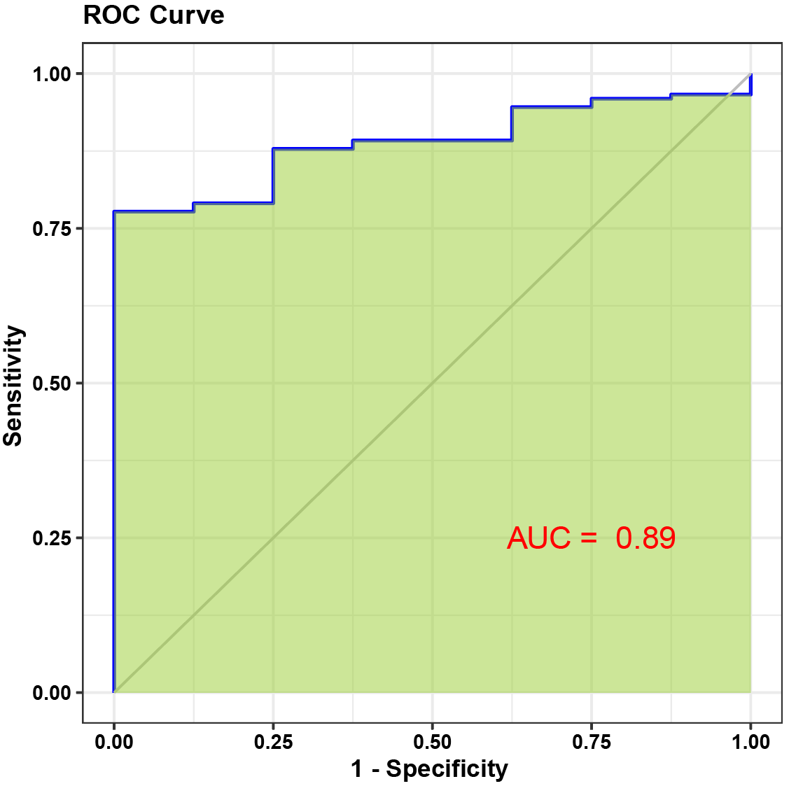

TRR-CCG1-1 (AUC)
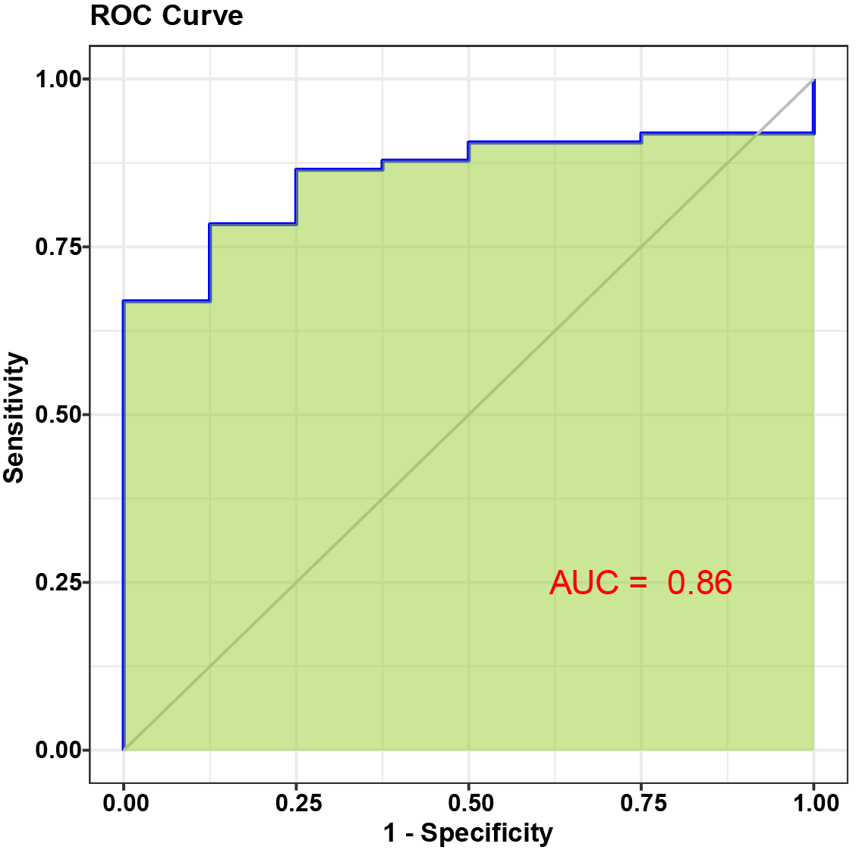

TRE-CTC1-2 (AUC)
